Sheet 1
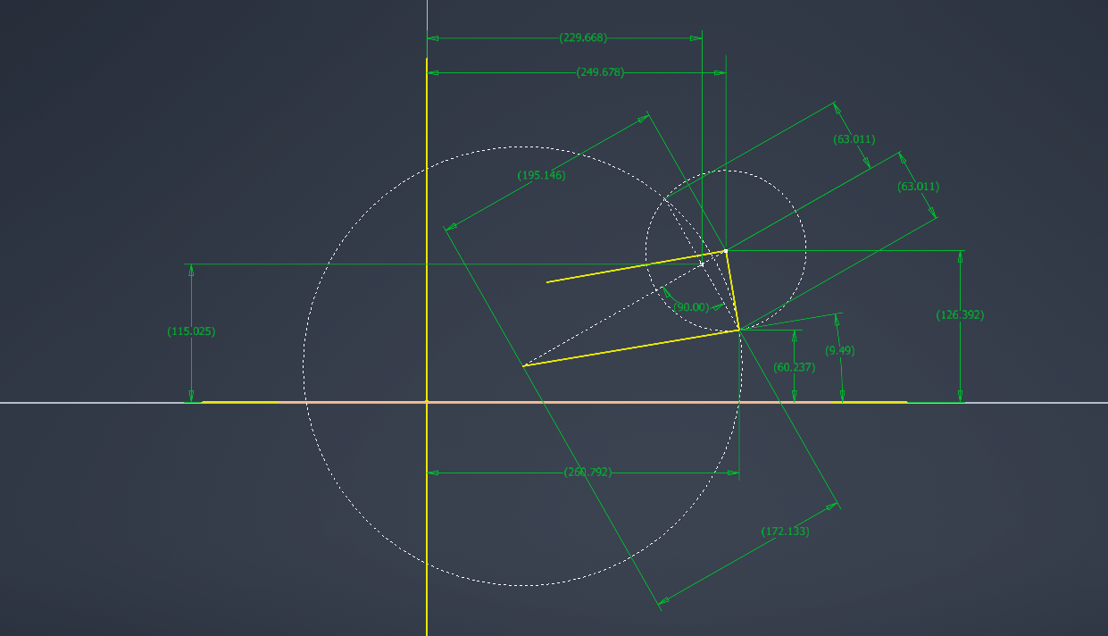
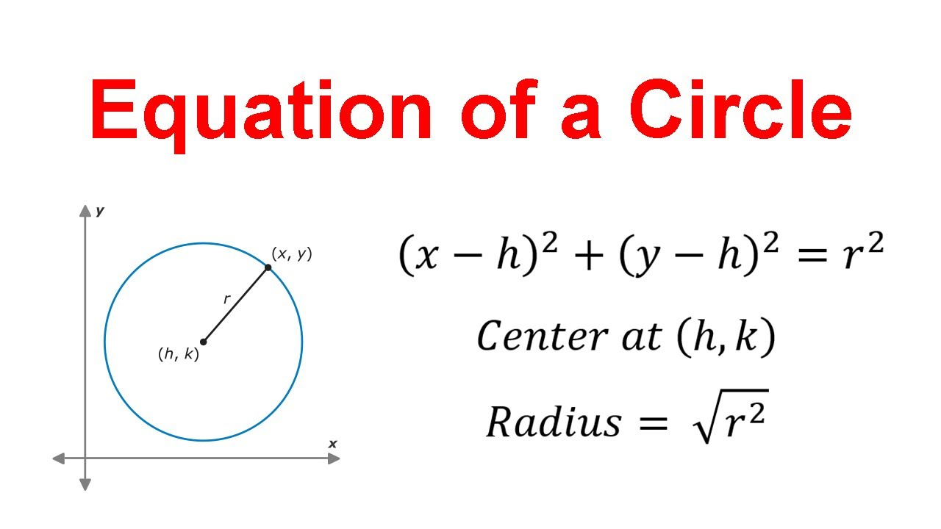
Suspension Pivot Hardpoints (Inputs) |  |  |  | Camber-KPI Offset (deg) | Upper Arm Angle | Camber Angle | UOP_Y | UOP_Z | D_centers | a_chord | h_chord | Lower Arm Angle to Horizontal | Lower Outboard Pivot Horizontal Position | Lower Outboard Pivot Vertical Position | Kinpin Inclination
Geometry Inputs | Value | Unit | Description | 0 | 20 | -2.1 | 202.9 | 137.5 | 163.3 | 61.4 | 108.3 | -19.3 | 197.5 | -11.1 | -2.1
Y_U | 100 | mm | Upper inboard pickup axis lateral position (from origin) |  | 19 | -2.6 | 203.6 | 135.7 | 162.6 | 61.0 | 108.5 | -20.1 | 196.9 | -12.8 | -2.6
Z_U | 100 | mm | Upper inboard pickup axis vertical position (from origin) |  | 18 | -3.1 | 204.2 | 133.9 | 161.9 | 60.6 | 108.8 | -21.0 | 196.2 | -14.6 | -3.1
Y_L | 80 | mm | Lower inboard pickup axis lateral position (from origin) |  | 17 | -3.6 | 204.8 | 132.0 | 161.2 | 60.1 | 109.0 | -21.9 | 195.6 | -16.3 | -3.6
Z_L | 30 | mm | Lower inboard pickup axis vertical position (from origin) |  | 16 | -4.0 | 205.3 | 130.2 | 160.4 | 59.6 | 109.3 | -22.7 | 194.8 | -18.1 | -4.0
L_U | 170 | mm | Upper arm member length |  | 15 | -4.5 | 205.8 | 128.4 | 159.7 | 59.2 | 109.5 | -23.6 | 194.1 | -19.8 | -4.5
L_L | 180 | mm | Lower arm member length |  | 14 | -5.0 | 206.3 | 126.5 | 158.9 | 58.7 | 109.8 | -24.5 | 193.3 | -21.6 | -5.0
L_u | 150 | mm | Upright length (linear distance between upper and lower outboard rod end centers) |  | 13 | -5.5 | 206.7 | 124.6 | 158.2 | 58.2 | 110.0 | -25.4 | 192.5 | -23.3 | -5.5
X_uf | 50 | mm | Longitudinal position of the upper front pickup (from origin) |  | 12 | -6.0 | 207.2 | 122.8 | 157.4 | 57.7 | 110.3 | -26.3 | 191.7 | -25.1 | -6.0
X_ur | 310 | mm | Longitudinal position of the upper rear pickup (from origin) |  | 11 | -6.5 | 207.5 | 120.9 | 156.6 | 57.2 | 110.6 | -27.2 | 190.8 | -26.8 | -6.5
X_lf | 30 | mm | Longitudinal position of the lower front pickup (from origin) |  | 10 | -7.0 | 207.9 | 119.0 | 155.8 | 56.7 | 110.8 | -28.0 | 189.9 | -28.5 | -7.0
X_lr | 290 | mm | Longitudinal position of the lower rear pickup (from origin) |  | 9 | -7.4 | 208.2 | 117.1 | 155.0 | 56.2 | 111.1 | -29.0 | 188.9 | -30.3 | -7.4
theta_U0 | 0 | deg | Upper arm angle from horizontal at ride height on flat ground |  | 8 | -7.9 | 208.5 | 115.2 | 154.2 | 55.7 | 111.3 | -29.9 | 188.0 | -32.0 | -7.9
 |  |  |  |  | 7 | -8.4 | 208.7 | 113.4 | 153.4 | 55.2 | 111.6 | -30.8 | 187.0 | -33.7 | -8.4
Calculated Intermediate Values |  |  |  |  | 6 | -8.9 | 208.9 | 111.5 | 152.5 | 54.6 | 111.9 | -31.7 | 185.9 | -35.4 | -8.9
Parameter Name | Value | Unit | Description |  | 5 | -9.4 | 209.1 | 109.5 | 151.7 | 54.1 | 112.1 | -32.6 | 184.9 | -37.1 | -9.4
base_U | 260 | mm | longitudinal spacing between the 2 upper inboard pickup points |  | 4 | -9.9 | 209.3 | 107.6 | 150.8 | 53.5 | 112.4 | -33.6 | 183.8 | -38.8 | -9.9
base_L | 260 | mm | longitudinal spacing between the 2 lower inboard pickup points |  | 3 | -10.4 | 209.4 | 105.7 | 149.9 | 53.0 | 112.7 | -34.5 | 182.6 | -40.5 | -10.4
r_U | 109.5445115 | mm | upper arm swing radius |  | 2 | -10.9 | 209.5 | 103.8 | 149.0 | 52.4 | 112.9 | -35.4 | 181.4 | -42.2 | -10.9
r_L | 124.49899598 | mm | lower arm swing radius |  | 1 | -11.4 | 209.5 | 101.9 | 148.2 | 51.8 | 113.2 | -36.4 | 180.2 | -43.8 | -11.4
X_UOP | 180 | mm | logitudinal position of the upper outboard pivot on the upright |  | 0 | -11.9 | 209.5 | 100.0 | 147.2 | 51.2 | 113.5 | -37.3 | 179.0 | -45.5 | -11.9
X_LOP | 160 | mm | logitudinal position of the lower outboard pivot on the upright |  | -1 | -12.4 | 209.5 | 98.1 | 146.3 | 50.6 | 113.7 | -38.3 | 177.7 | -47.1 | -12.4
dX | 20 | mm | longitudinal distance between upper and lower outboard pivots |  | -2 | -12.8 | 209.5 | 96.2 | 145.4 | 50.0 | 114.0 | -39.2 | 176.4 | -48.8 | -12.8
d_yz | 148.66068747 | mm | Upright height from front view |  | -3 | -13.3 | 209.4 | 94.3 | 144.5 | 49.4 | 114.3 | -40.2 | 175.1 | -50.4 | -13.3
UOP_y | 209.5445115 | mm | lateral position of upper outboard pivot at current upper arm angle |  | -4 | -13.8 | 209.3 | 92.4 | 143.5 | 48.8 | 114.5 | -41.2 | 173.7 | -52.0 | -13.8
UOP_z | 100 | mm | vertical position of upper outboard pivot at current upper arm angle |  | -5 | -14.4 | 209.1 | 90.5 | 142.6 | 48.1 | 114.8 | -42.2 | 172.3 | -53.6 | -14.4
D_centers | 147.24734449 | mm | Distance between centers of circles drawn at lower inboard and upper outboard points |  | -6 | -14.9 | 208.9 | 88.5 | 141.6 | 47.5 | 115.1 | -43.1 | 170.8 | -55.1 | -14.9
a_chord | 51.212402207 | mm | distance from center of circle at lower inboard to the line between the intersection points of both circles |  | -7 | -15.4 | 208.7 | 86.6 | 140.6 | 46.9 | 115.3 | -44.1 | 169.3 | -56.7 | -15.4
h_chord | 113.47814706 | mm | perpendicular distance from a_chord to the 2 possible intersection points of the lower arm and upright |  | -8 | -15.9 | 208.5 | 84.8 | 139.7 | 46.2 | 115.6 | -45.1 | 167.8 | -58.2 | -15.9
M_y | 125.05538385 | mm | lateral position of the intersection between a_chord and h_chord |  | -9 | -16.4 | 208.2 | 82.9 | 138.7 | 45.5 | 115.9 | -46.1 | 166.3 | -59.8 | -16.4
M_z | 54.345893414 | mm | vertical position of the intersection between a_chord and h_chord |  | -10 | -16.9 | 207.9 | 81.0 | 137.7 | 44.9 | 116.1 | -47.1 | 164.7 | -61.3 | -16.9
branch | -1 | const | since the cirles intersect at 2 separate points, we need this value to choose which one is the real life suspension position that doesn't require the arms crossing over |  | -11 | -17.4 | 207.5 | 79.1 | 136.7 | 44.2 | 116.4 | -48.2 | 163.0 | -62.8 | -17.4
LOP_y | 179.00182561 | mm | lateral position of the lower outboard pivot |  | -12 | -17.9 | 207.2 | 77.2 | 135.6 | 43.5 | 116.7 | -49.2 | 161.4 | -64.2 | -17.9
LOP_z | -45.489327232 | mm | vertical position of the lower outboard pivot |  | -13 | -18.5 | 206.7 | 75.4 | 134.6 | 42.8 | 116.9 | -50.2 | 159.7 | -65.7 | -18.5
theta_L0 | -37.325679751 | deg | angle between lower arm and horizontal |  | -14 | -19.0 | 206.3 | 73.5 | 133.6 | 42.1 | 117.2 | -51.2 | 157.9 | -67.1 | -19.0
 |  |  |  |  | -15 | -19.5 | 205.8 | 71.6 | 132.5 | 41.4 | 117.4 | -52.3 | 156.2 | -68.5 | -19.5
Caluclated Final Values |  |  |  |  | -16 | -20.0 | 205.3 | 69.8 | 131.5 | 40.6 | 117.7 | -53.3 | 154.4 | -69.9 | -20.0
Parameter Name | Value | Unit | Description |  | -17 | -20.6 | 204.8 | 68.0 | 130.4 | 39.9 | 117.9 | -54.4 | 152.5 | -71.2 | -20.6
caster | 7.8272280347 | deg | side view angle of the steering axis from vertical |  | -18 | -21.1 | 204.2 | 66.1 | 129.3 | 39.2 | 118.2 | -55.4 | 150.6 | -72.5 | -21.1
KPI | -11.855979793 | deg | (Kingpin inclination) front view angle between the steering axis and horizontal |  | -19 | -21.7 | 203.6 | 64.3 | 128.3 | 38.4 | 118.4 | -56.5 | 148.7 | -73.8 | -21.7
IC_det | -8269.4414752 | mm | determinant of the two arm direction vectors (0 when the arms are parallel and increasesd when they diverege) |  | -20 | -22.2 | 202.9 | 62.5 | 127.2 | 37.6 | 118.7 | -57.6 | 146.7 | -75.1 | -22.2
IC_y | -11.802749431 | mm | horizontal position of the instant center
IC_z | 100 | mm | vertical position of the instant center

